EVD_FIN 01-01
Test Case ID | FIN01-01
Test Case Summary | Lakukan proses Receive request dan confirm

Step # | Test Evidence |  |  | Re-Test Evidence (if found Bug/Issue)
1 |  |  | 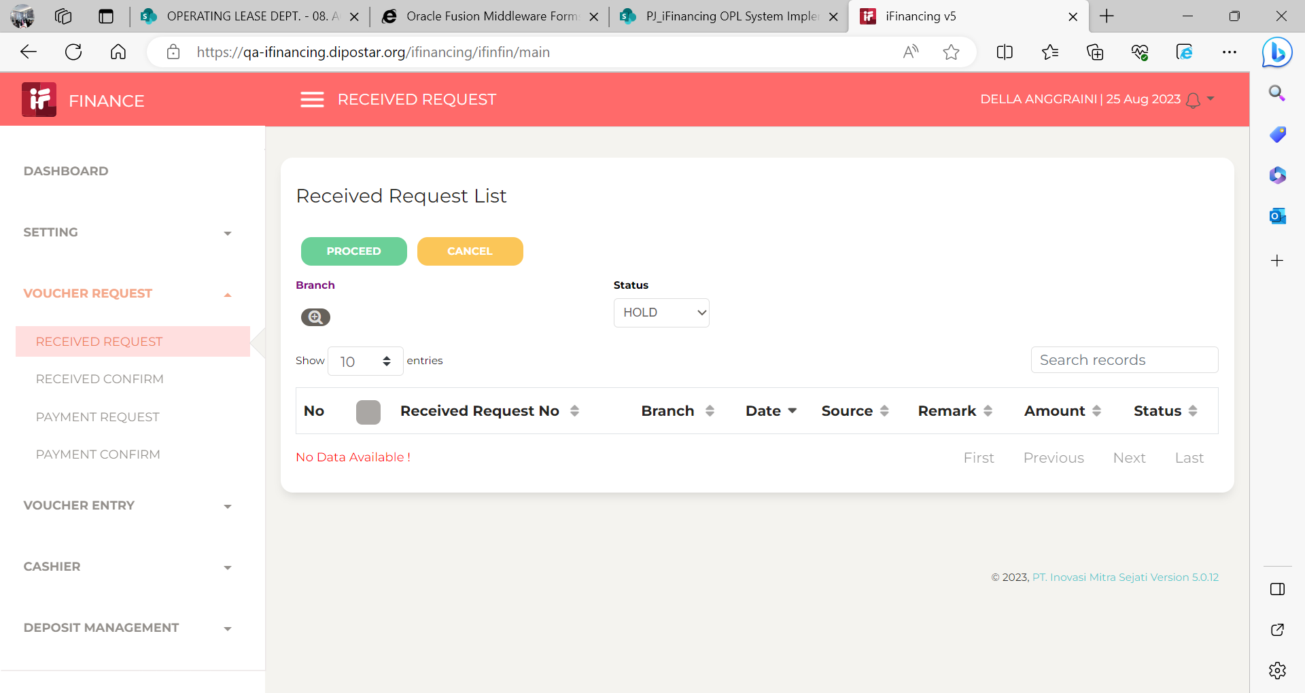 |  |  | 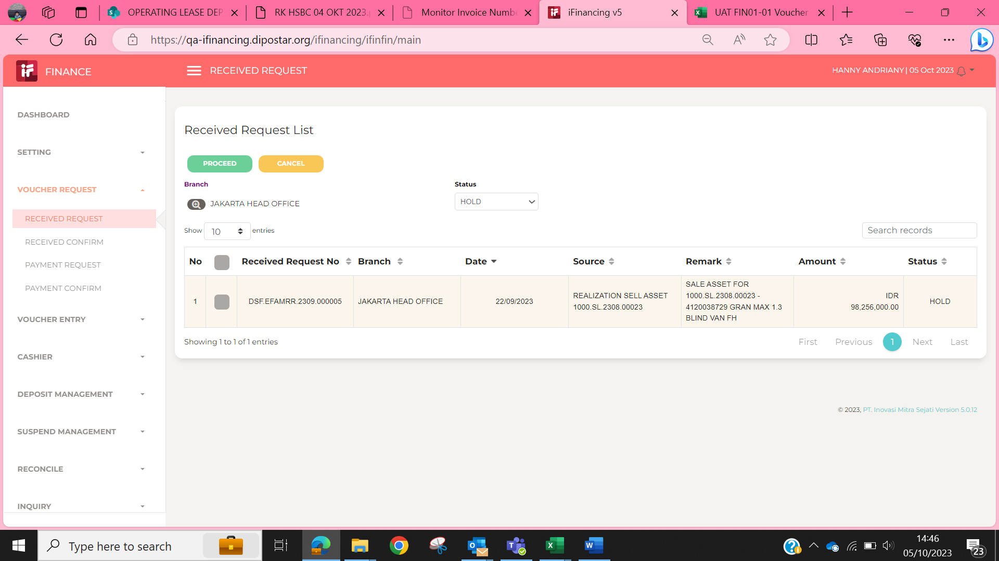

2 |  | 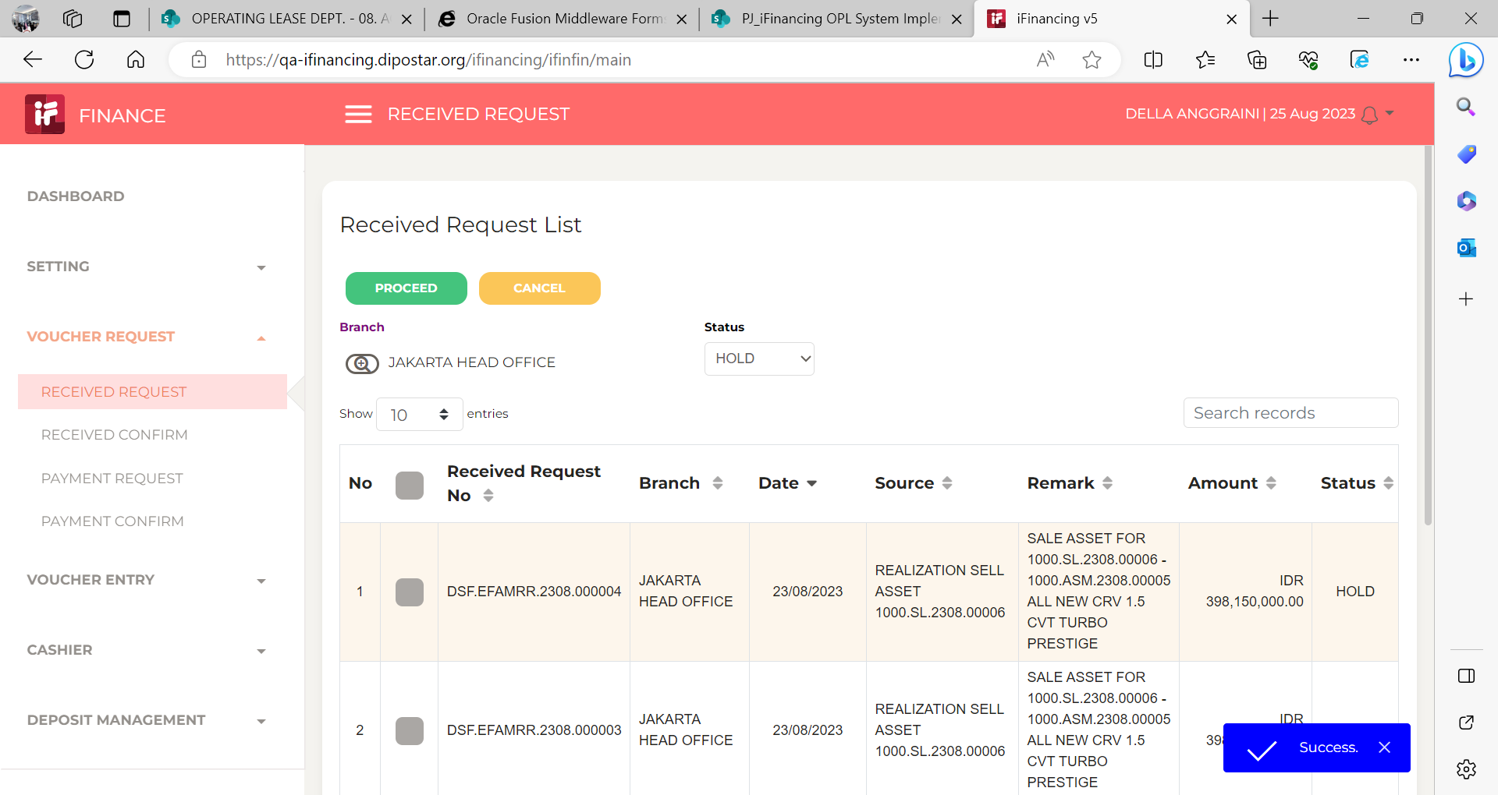 |  |  | 

3 |  |  | 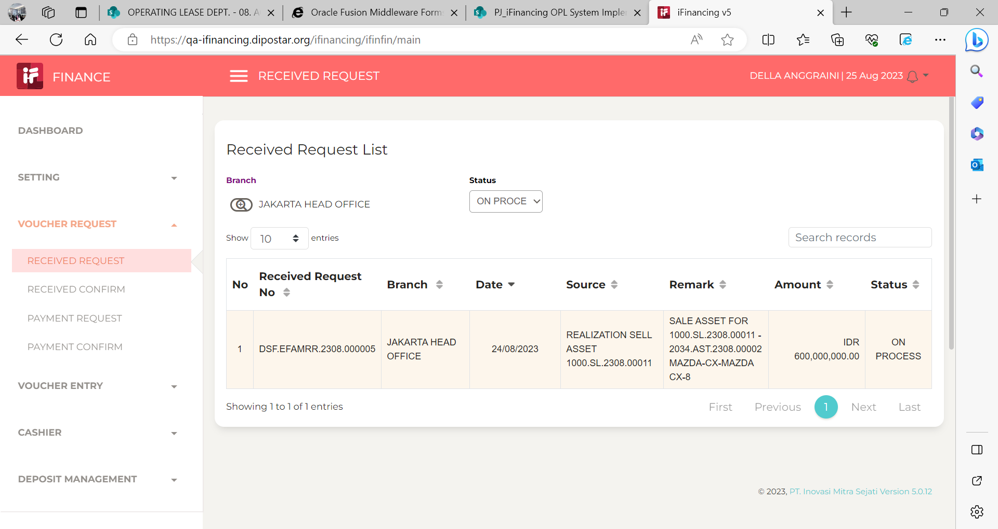
 |  | 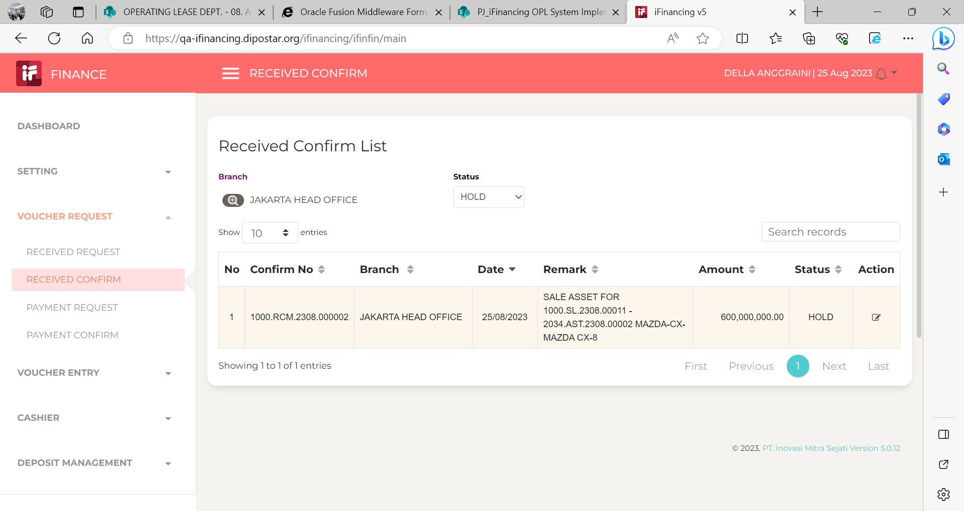 |  |  | 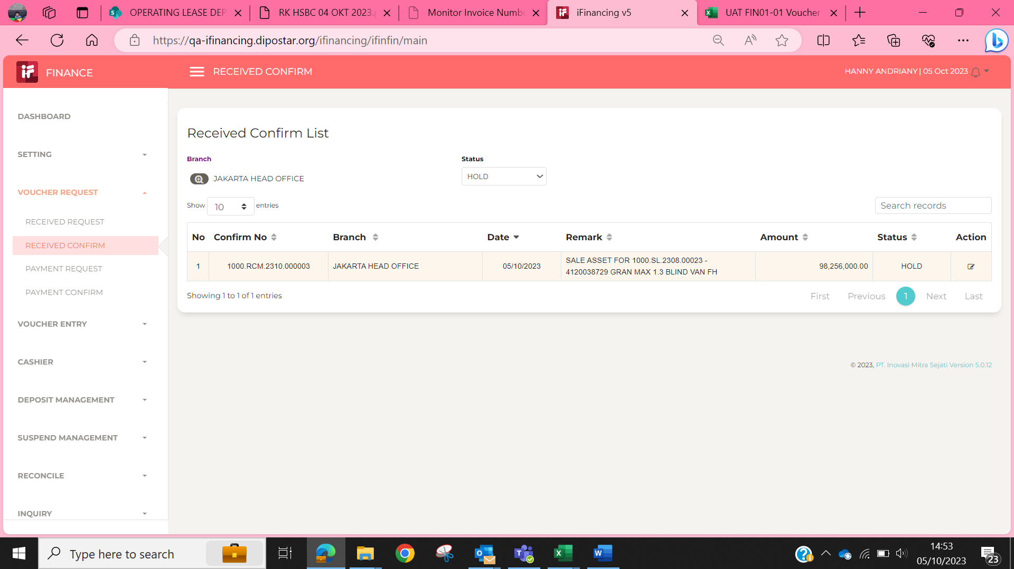

4 | 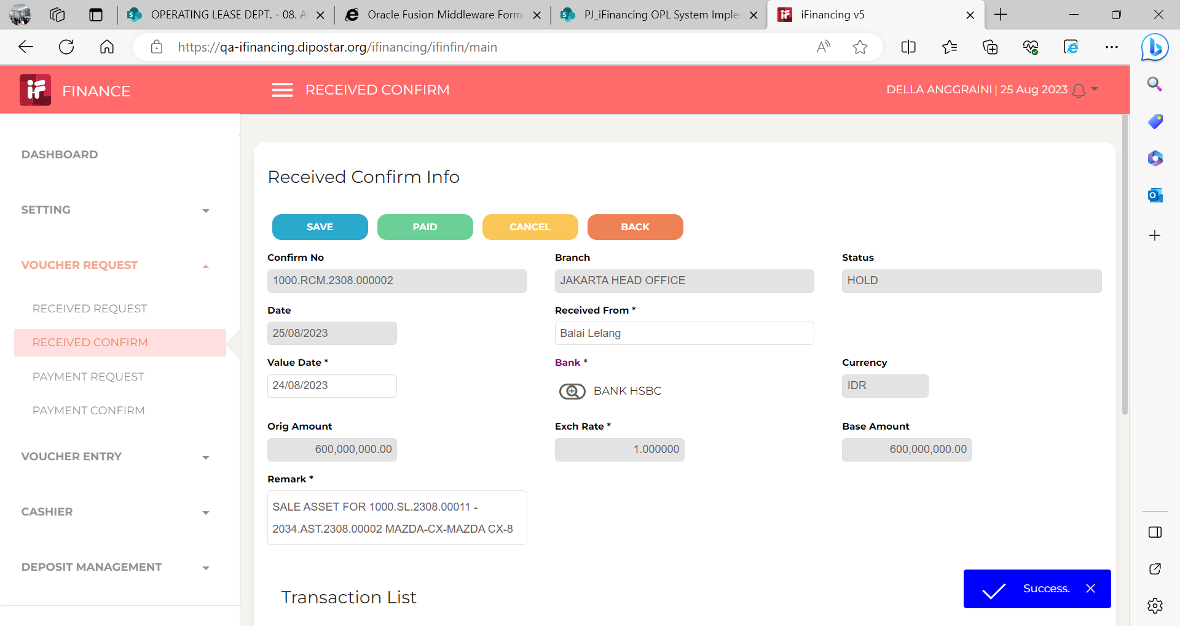 |  |  |  |  |  | 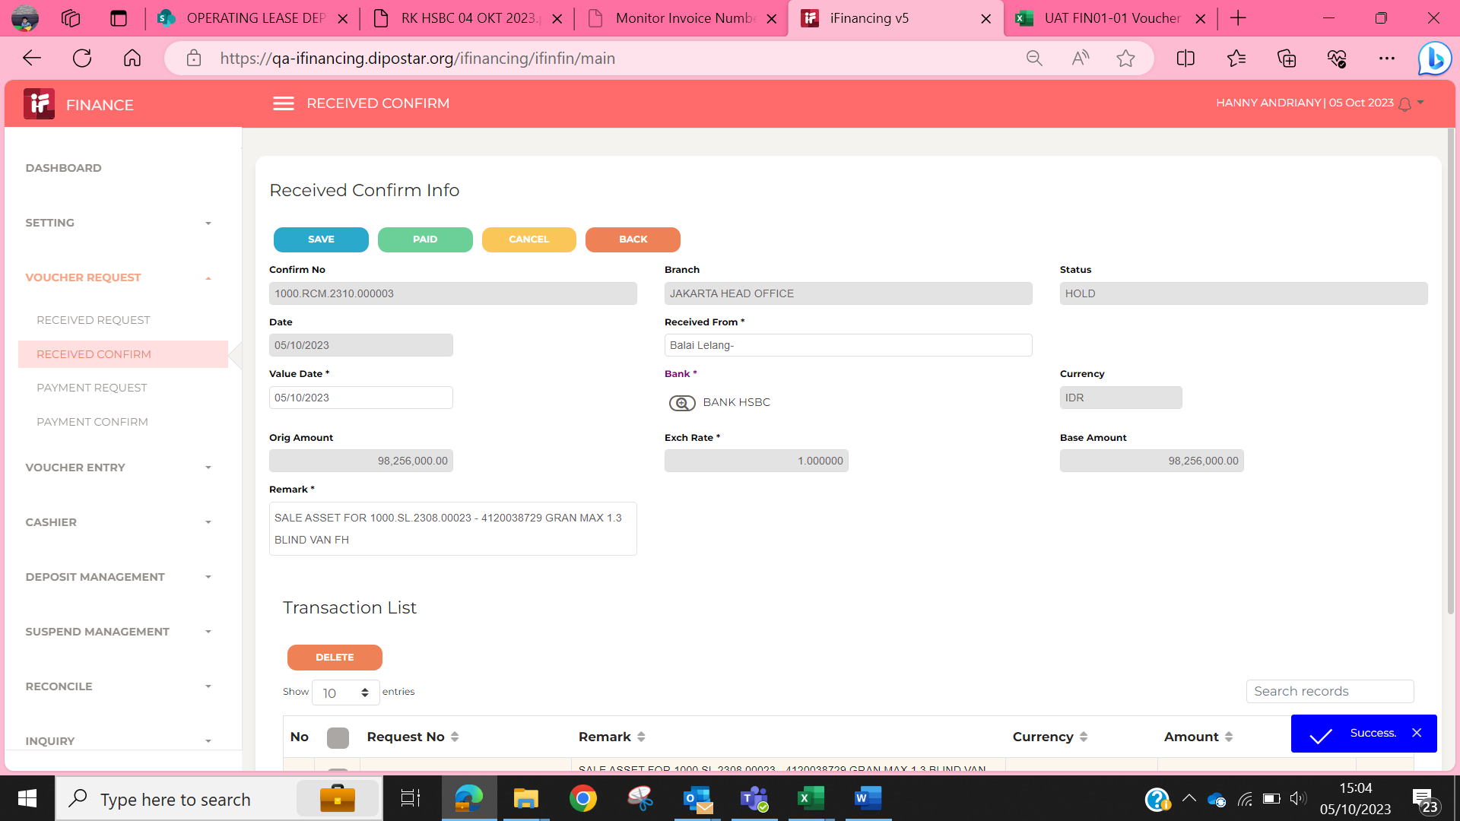

5
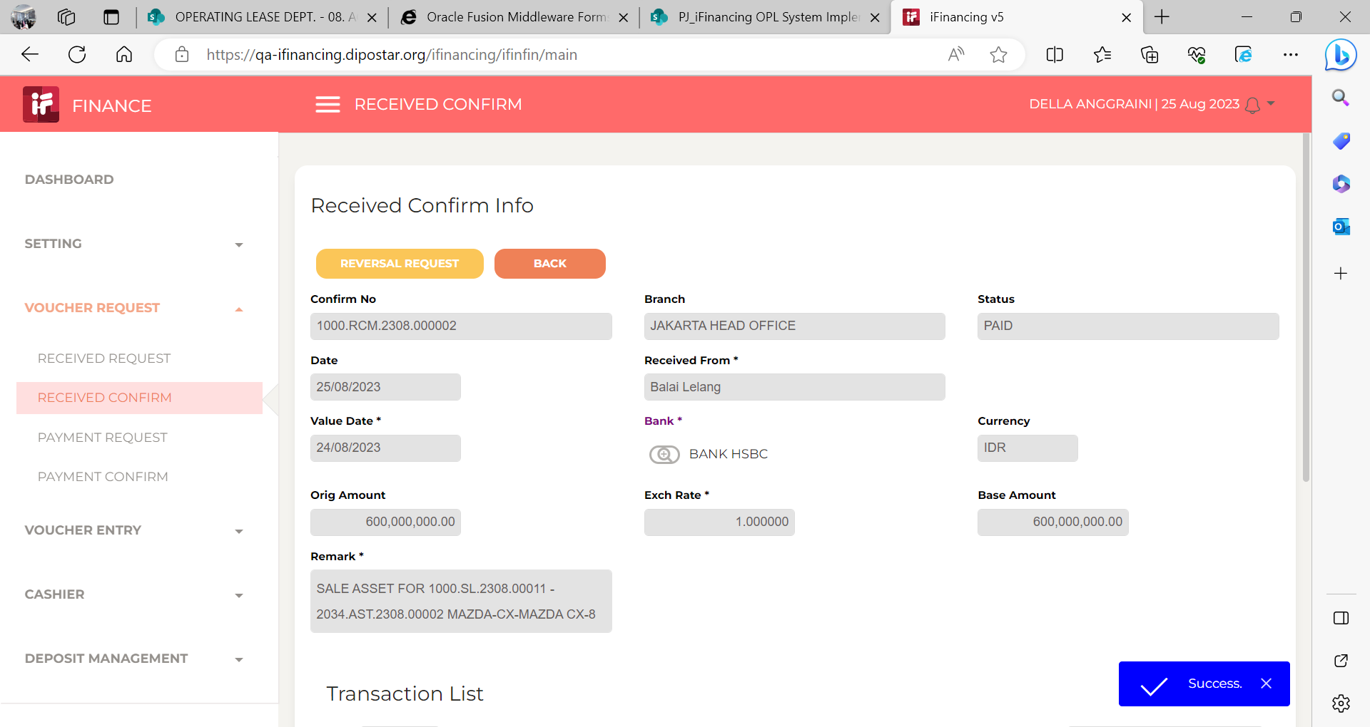

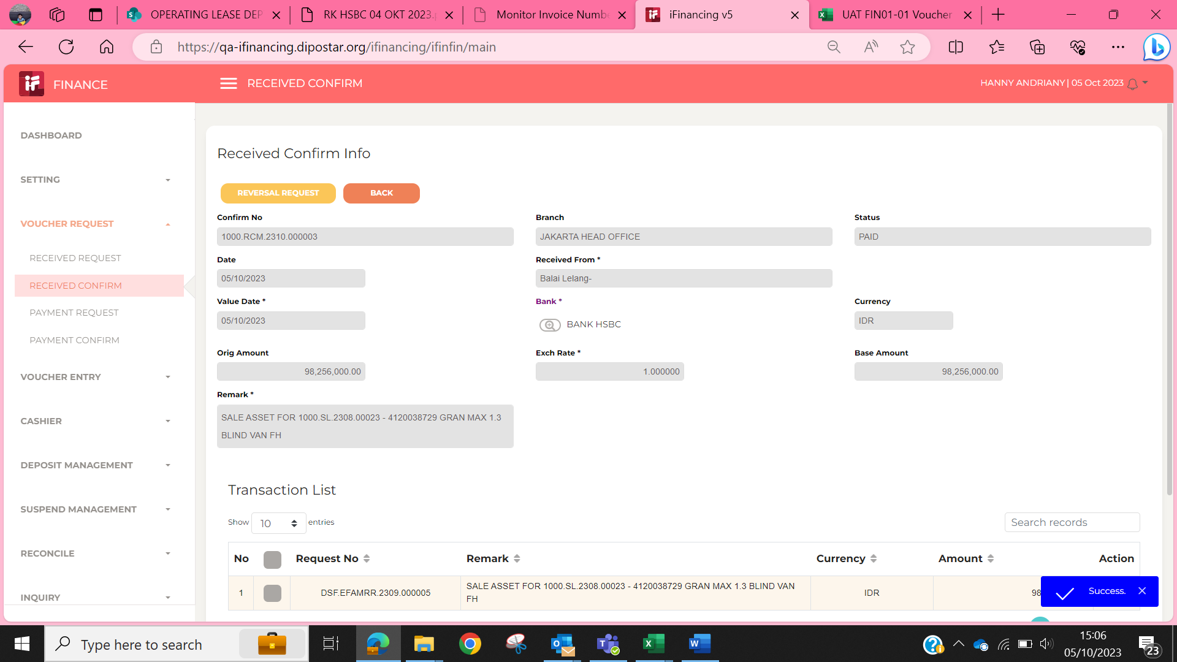

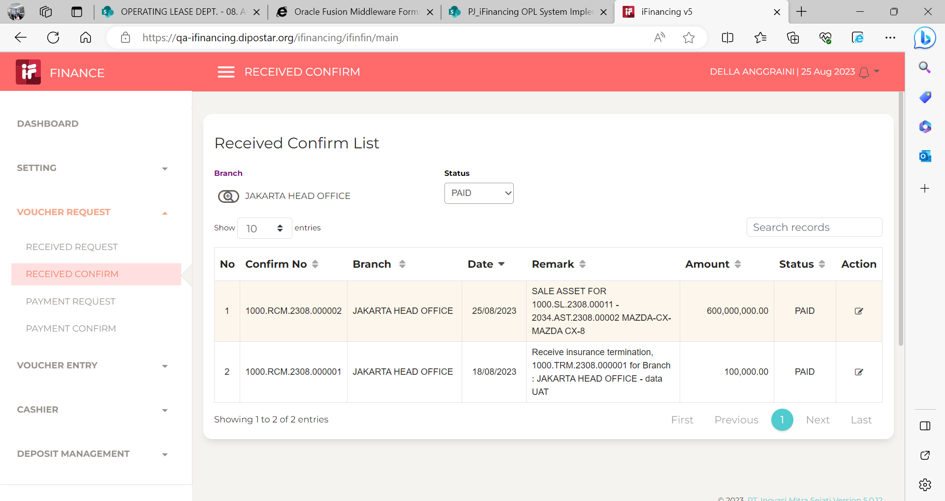
6

7

8

9

10

11

13

14

15

16

17

18

19

20

21

22

36

37

38

39

41

43

44

45

46

